Sheet2
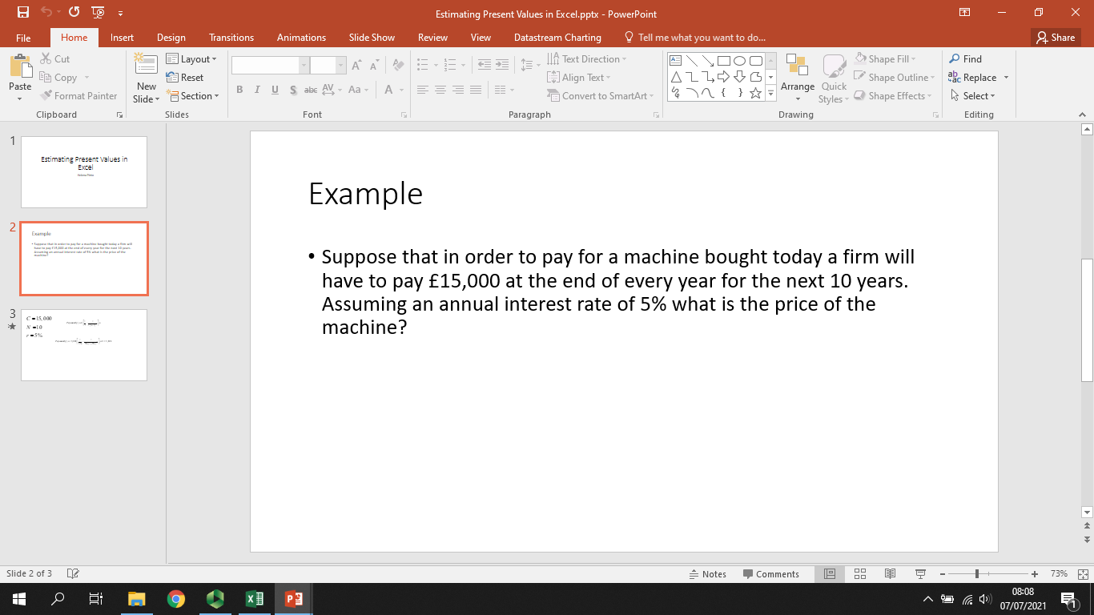
N | 10
r | 5%
C | 15000

Years | Cash Flows | Present Value of Cash flow
1 | 15000 | 14285.714286
2 | 15000 | 13605.442177
3 | 15000 | 12957.563978
4 | 15000 | 12340.537122
5 | 15000 | 11752.892497
6 | 15000 | 11193.23095
7 | 15000 | 10660.219952
8 | 15000 | 10152.59043
9 | 15000 | 9669.1337433
10 | 15000 | 9208.6988031
Present value of Cash flows |  | 115826.02394

Present Value of Cash flows |  | £115,826.02

